3.1
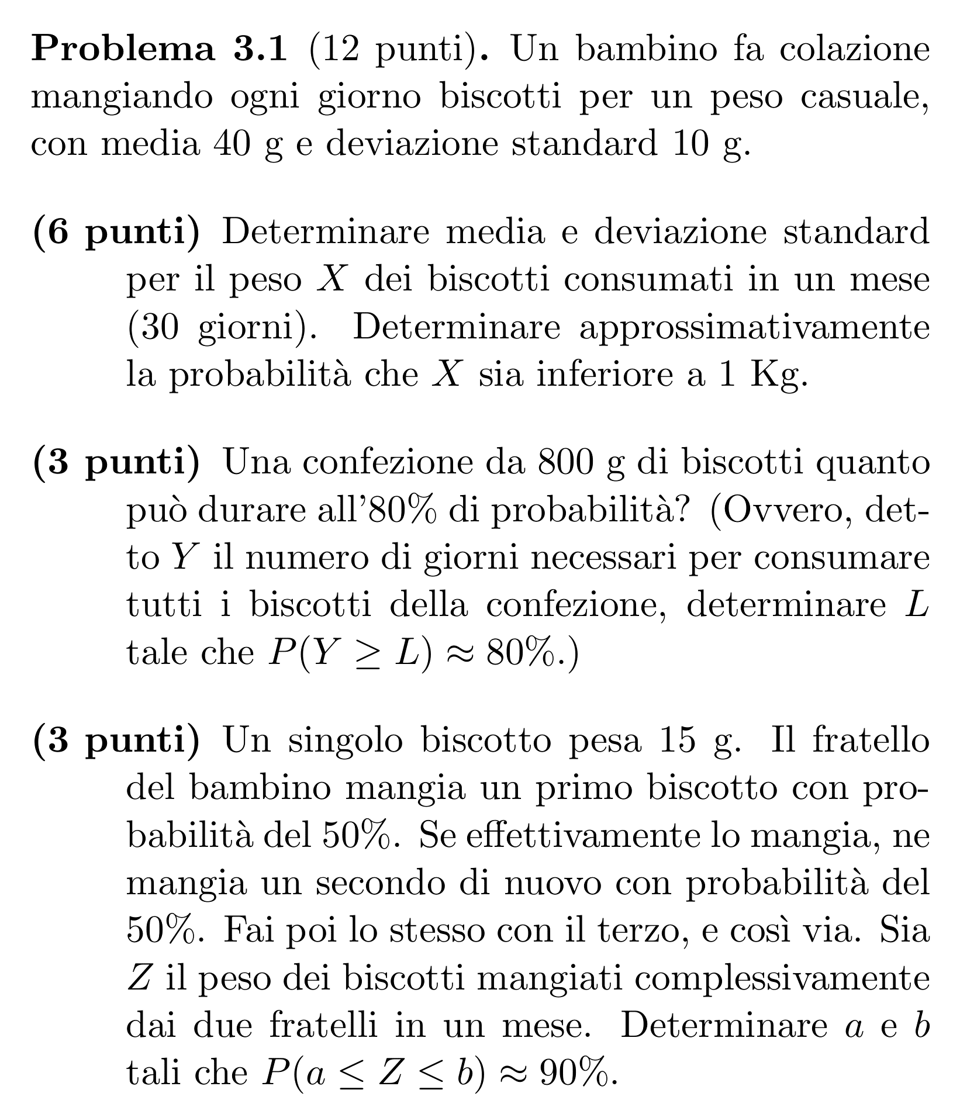
40 | μg
10 | σg
30 | n
1000 | k

1200 | μm
54.772255751 | σm

-3.6514837167 | z
0.01% | Φ(z)
1% | risposta

800 | h
80% | prob
0.84162123357 | q

357.86985432
4.3681705248 | sqrt(m)
19.080913734 | m
20 | risposta

15 | peso 1 b
50% | p geom
90% | prob

1 | μT
2 | σ²T

1650 | μZ
128.45232579 | σZ
1.644853627 | q
1438.7 | a
1861.3 | b

3.2
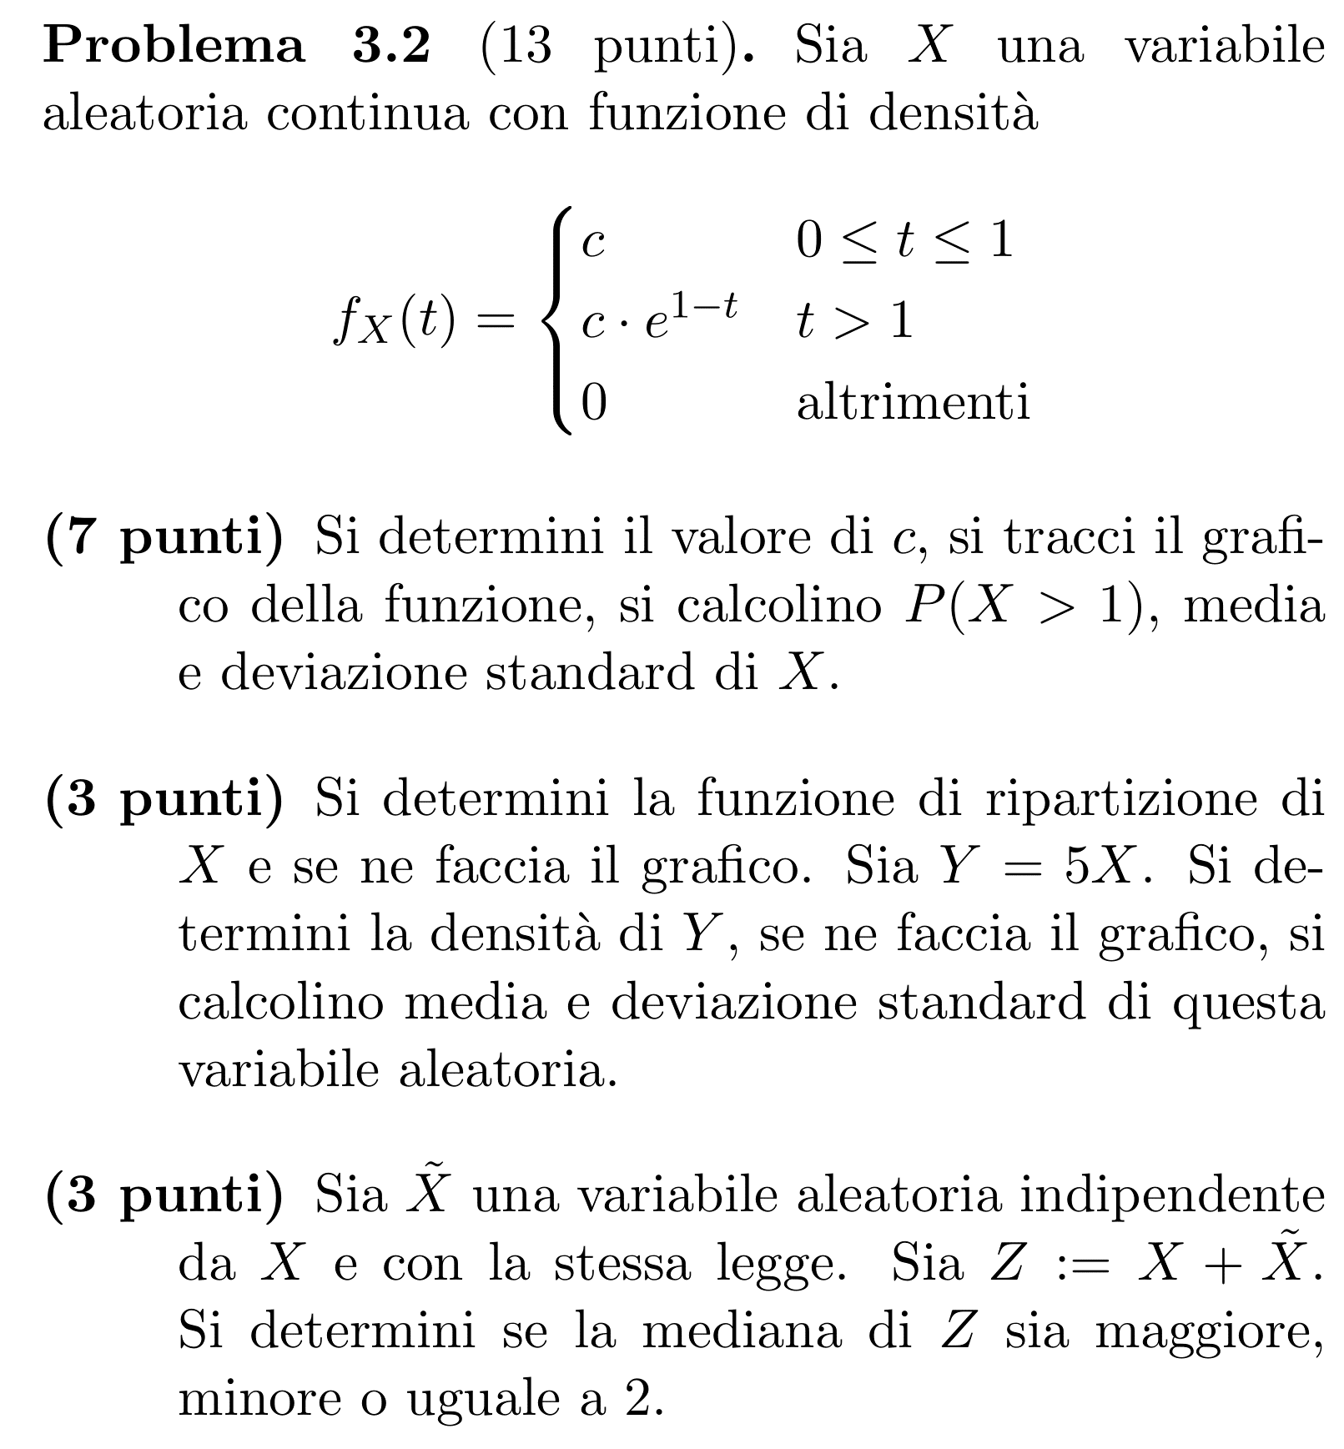
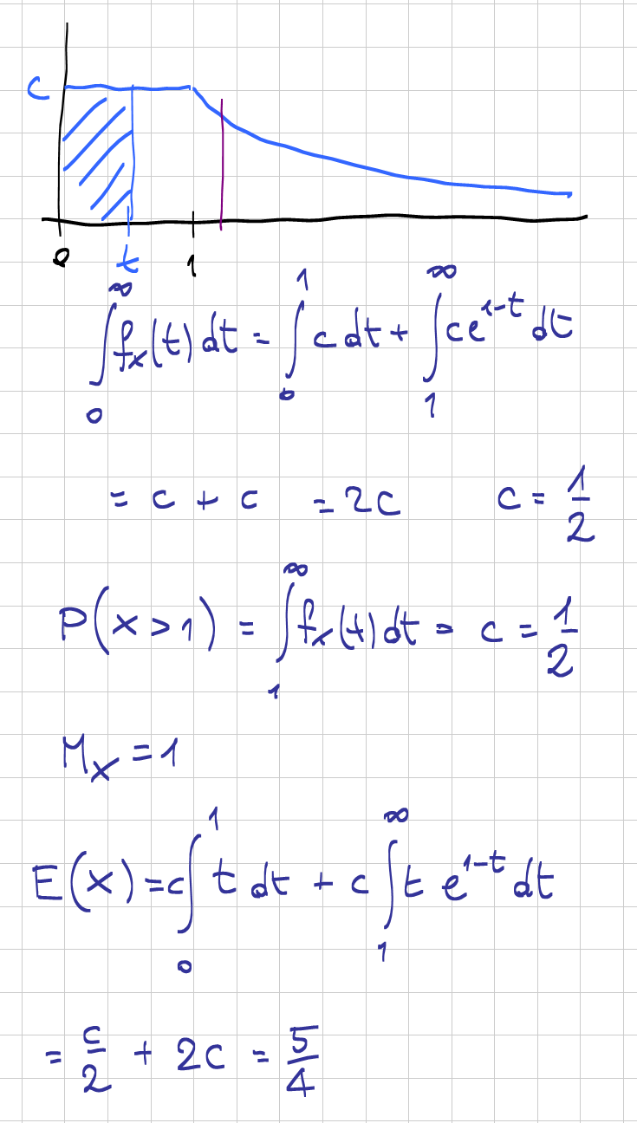

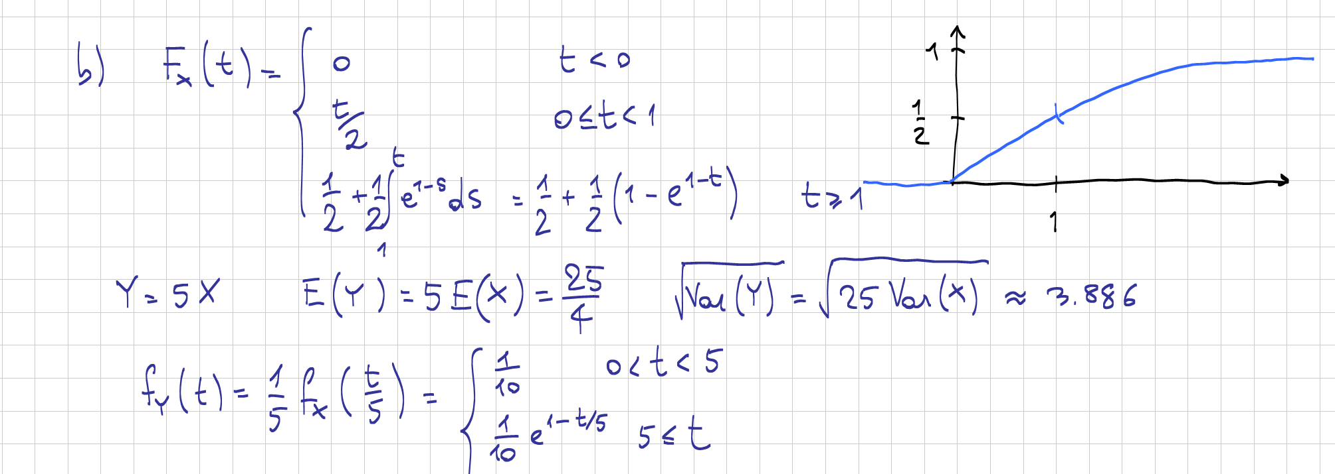

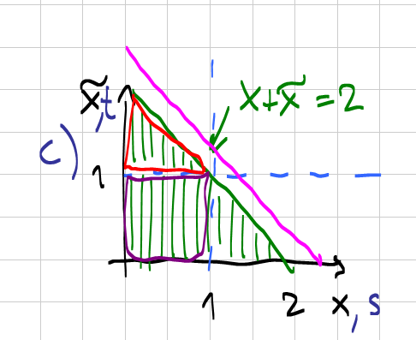

3.3
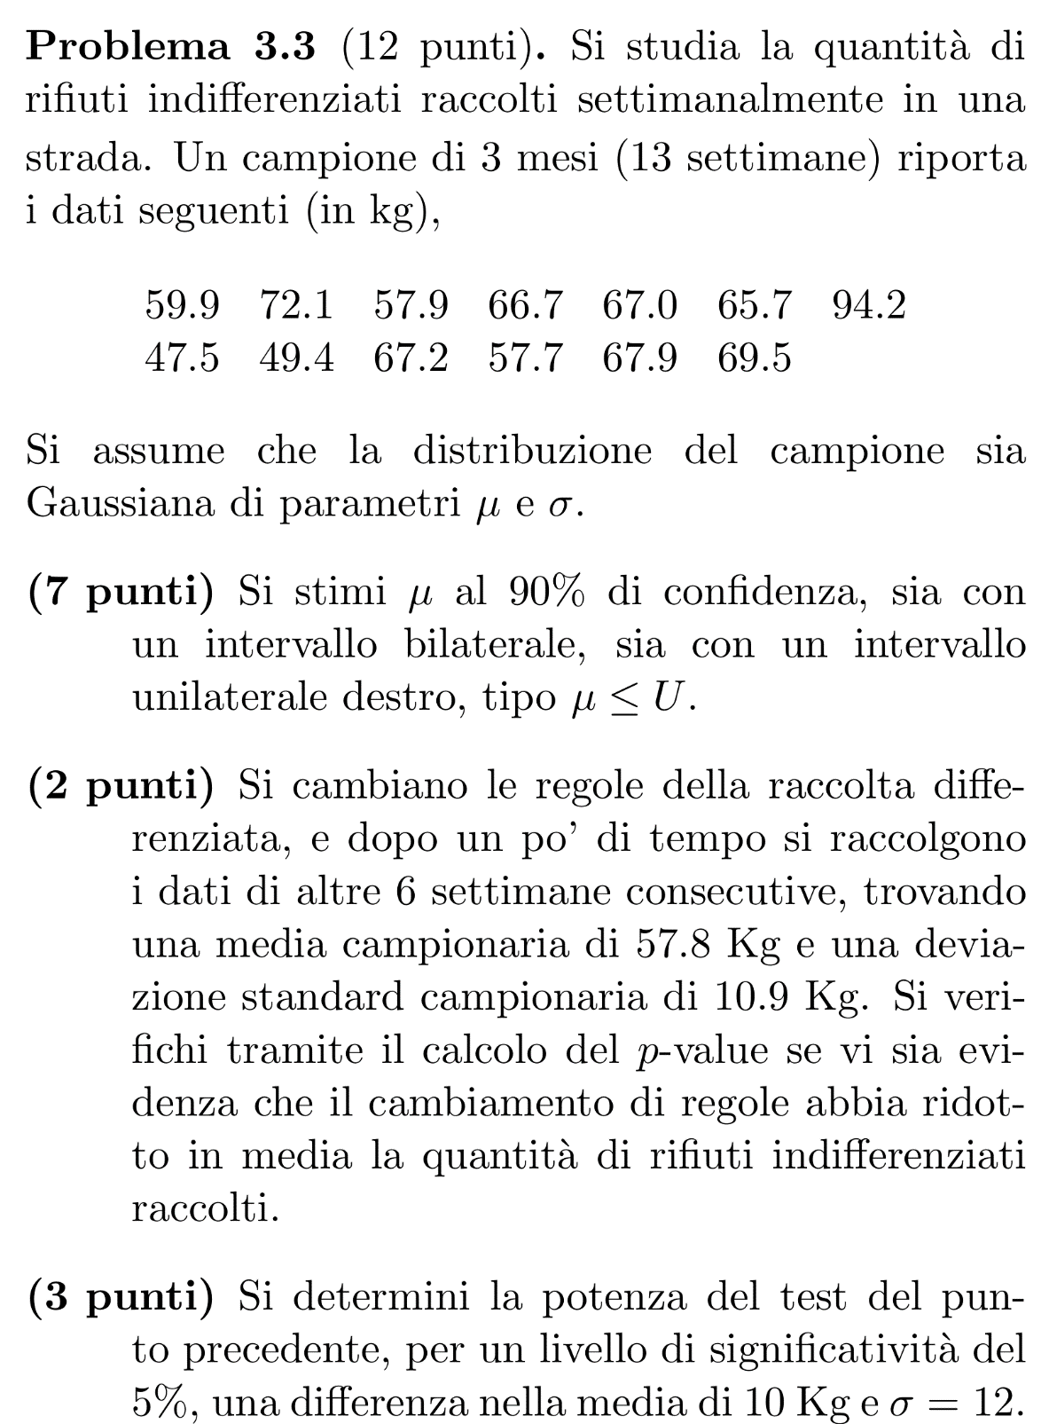
59.9 |  | 6 | m | 5% | α
72.1 |  | 57.8 | Y bar | 10 | Δ
57.9 |  | 10.9 | Sy | 12 | σ
66.7 |  |  |  | 1.7396067261 | q
67 |  | H1: μy < μx
65.7 |  | H0: μx-μy ≤ 0 |  | 48.0% | power
94.2 |  |  |  | 48.0%
47.5 |  | 5 | gdl
49.4 |  | 7.0230769231 | Δμ
67.2 |  | 135.23692308 | Sx²
57.7 |  | 118.81 | Sy²
67.9 |  | 130.40547511 | Sp²
69.5 |  | 11.419521667 | Sp

13 | n | 1.2460917285 | stat
64.823076923 | X bar | 11.5% | α*
11.629141115 | Sx
 |  | Dico H0
12 | gdl
90% | conf | 1.2778843462
1.7822875556 | q_bil
5.7484894567 | r_bil

59.1 | LCL
70.6 | UCL

1.356217334 | q_unil

69.2 | U

3.4
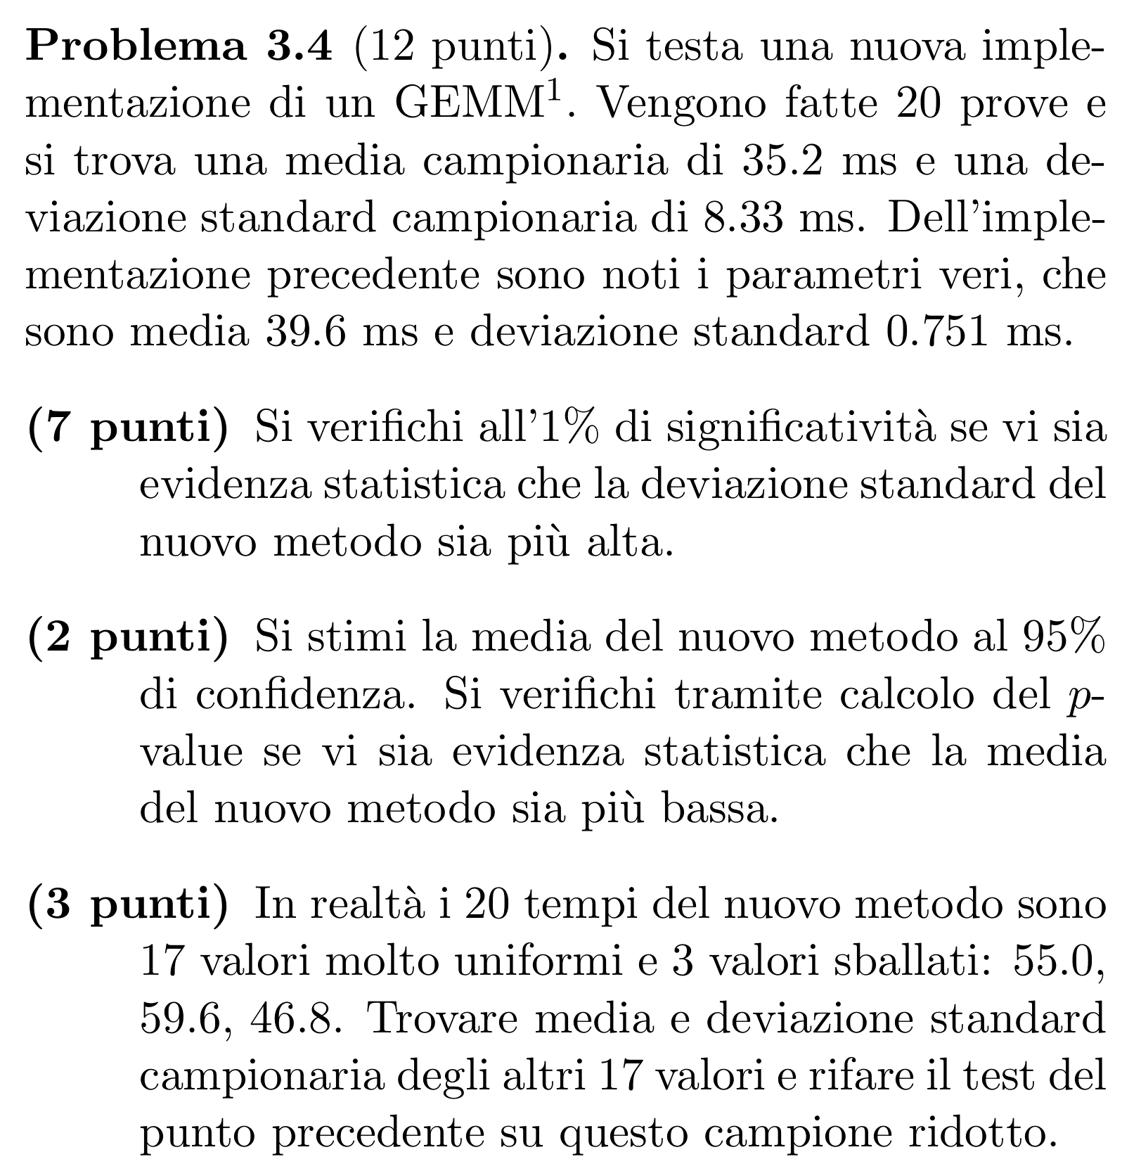
20 | n | 17 | m
35.2 | X bar | 16 | gdl
8.33 | Sx
 |  | 55
39.6 | μ0 | 59.6
0.751 | σ0 | 46.8

1% | α | 704 | somma 20
 |  | 542.6 | somma 17
H1:σ>σ0 |  | 31.917647059 | X bar 17
19 | gdl
2337.5651816 | stat W | 1318.3891 | s sq diff 20
36.190869129 | b | 1121.96 | s sq diff 3
 |  | 196.4291 | s sq diff 17
H1
 |  | Sx²*(n-1) = sum X² -n Xbar²
95% | conf
2.0930240544 | q | 26099.1891 | s sq X 20
3.8985600055 | r | 17331.7891 | s sq X 17
 |  | 13.273805882
31.301439995 | LCL | 0.91083086665 | Sx 17
39.098560005 | UCL
 |  | -34.776108045 | stat T
H1:μ<μ0 |  | 0.0% | α*
-2.3622326773 | stat T
1.4% | α* | H1

H1

